Foglio
 | MEN'S
 |  | XS | S | M | L | XL | 2XL | Tot
 |  | 1 | 2 | 6 | 6 | 4 | 1 | 20
 |  |  |  |  |  |  |  | 5,593 | EURO
Picture | Style # | XS | S | M | L | XL | 2XL | QTY | RRP | WHLS
 | 44MAA027G5J0030110 | 0 | 0 | 13 | 11 | 6 | 0 | 30 | € 325.00 | € 125.00
 | 44MAA027G5J00A1001 | 6 | 5 | 44 | 45 | 31 | 3 | 134 | € 325.00 | € 125.00
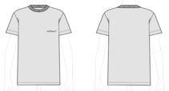 | 44MAA027G5J00C0511 | 4 | 9 | 29 | 26 | 17 | 2 | 87 | € 285.00 | € 109.62
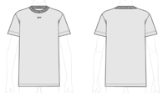 | 44MAA027G5J00F0510 | 6 | 9 | 38 | 35 | 23 | 3 | 114 | € 285.00 | € 109.62
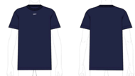 | 44MAA027G5J00F4901 | 4 | 6 | 23 | 20 | 13 | 1 | 67 | € 285.00 | € 109.62
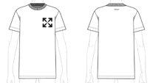 | 44MAA027G5J00G0110 | 6 | 14 | 52 | 49 | 31 | 3 | 155 | € 325.00 | € 125.00
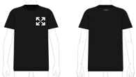 | 44MAA027G5J00G1001 | 5 | 6 | 35 | 34 | 23 | 3 | 106 | € 325.00 | € 125.00
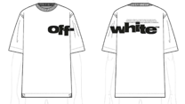 | 44MAA120G5J0030110 | 5 | 14 | 54 | 52 | 34 | 4 | 163 | € 395.00 | € 151.92
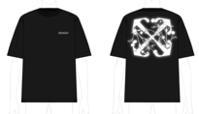 | 44MAA120G5J0041001 | 1 | 0 | 9 | 8 | 4 | 0 | 22 | € 350.00 | € 134.62
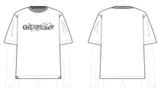 | 44MAA120G5J0050110 | 2 | 3 | 20 | 18 | 12 | 2 | 57 | € 350.00 | € 134.62
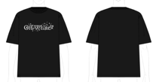 | 44MAA120G5J0051001 | 0 | 0 | 11 | 9 | 4 | 0 | 24 | € 350.00 | € 134.62
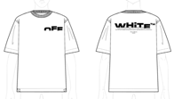 | 44MAA120G5J0070110 | 1 | 4 | 25 | 23 | 13 | 0 | 66 | € 395.00 | € 151.92
 | 44MAA120G5J0071001 | 6 | 12 | 54 | 52 | 34 | 5 | 163 | € 395.00 | € 151.92
 | 44MAA120G5J00A1042 | 0 | 0 | 3 | 3 | 1 | 0 | 7 | € 350.00 | € 134.62
 | 44MAA120G5J00E0810 | 4 | 4 | 16 | 13 | 4 | 0 | 41 | € 285.00 | € 109.62
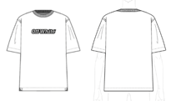 | 44MAA120G5J00J0110 | 2 | 3 | 30 | 27 | 17 | 1 | 80 | € 325.00 | € 125.00
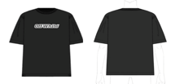 | 44MAA120G5J00J1001 | 1 | 1 | 21 | 20 | 12 | 0 | 55 | € 325.00 | € 125.00
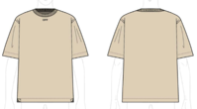 | 44MAA120G5J00L6110 | 3 | 5 | 26 | 23 | 14 | 3 | 74 | € 285.00 | € 109.62
 | 44MAA120G5J00M6101 | 1 | 2 | 22 | 20 | 13 | 0 | 58 | € 350.00 | € 134.62
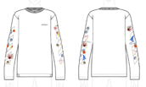 | 44MAB086G5J0030110 | 5 | 10 | 31 | 31 | 21 | 5 | 103 | € 550.00 | € 211.54
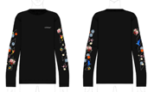 | 44MAB086G5J0031001 | 6 | 12 | 34 | 34 | 22 | 6 | 114 | € 550.00 | € 211.54
STYLE REF WHITE W/ BLACK | 44MAB086G5J0040110 | 6 | 9 | 36 | 35 | 23 | 4 | 113 | € 495.00 | € 190.38
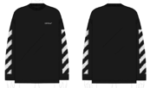 | 44MAB086G5J0041001 | 9 | 13 | 55 | 54 | 38 | 8 | 177 | € 495.00 | € 190.38
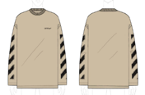 | 44MAB086G5J0046110 | 5 | 6 | 25 | 24 | 16 | 3 | 79 | € 495.00 | € 190.38
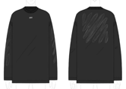 | 44MAB086G5J0051001 | 9 | 16 | 51 | 52 | 34 | 7 | 169 | € 550.00 | € 211.54
 | 44MAB086G5J0071001 | 5 | 9 | 27 | 25 | 17 | 3 | 86 | € 495.00 | € 190.38
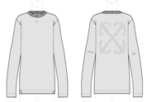 | 44MAB086G5J0090505 | 6 | 10 | 34 | 32 | 22 | 4 | 108 | € 550.00 | € 211.54
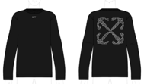 | 44MAB086G5J0091001 | 3 | 4 | 20 | 18 | 13 | 2 | 60 | € 550.00 | € 211.54
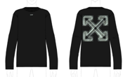 | 44MAB086G5J00A1041 | 3 | 2 | 16 | 15 | 11 | 2 | 49 | € 495.00 | € 190.38
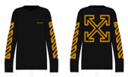 | 44MAB086G5J00B1022 | 4 | 5 | 19 | 17 | 13 | 2 | 60 | € 495.00 | € 190.38
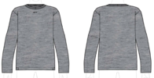 | 44MAB086G5J00D0810 | 2 | 1 | 7 | 5 | 3 | 0 | 18 | € 325.00 | € 125.00
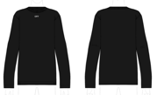 | 44MAB086G5J00D4901 | 5 | 9 | 27 | 26 | 19 | 4 | 90 | € 325.00 | € 125.00
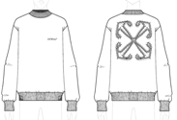 | 44MBA054G5F0040110 | 3 | 4 | 15 | 13 | 9 | 2 | 46 | € 695.00 | € 267.31
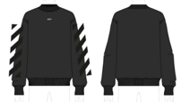 | 44MBA054G5F0051001 | 1 | 2 | 15 | 14 | 9 | 1 | 42 | € 650.00 | € 250.00
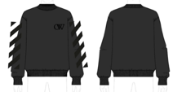 STYLE REF (white-black) | 44MBA054G5F0070110 | 6 | 10 | 30 | 28 | 19 | 4 | 97 | € 650.00 | € 250.00
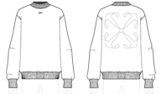 | 44MBA054G5F00A0110 | 5 | 7 | 24 | 22 | 15 | 3 | 76 | € 695.00 | € 267.31
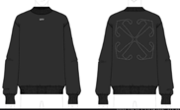 | 44MBA054G5F00A1001 | 3 | 4 | 16 | 14 | 9 | 2 | 48 | € 695.00 | € 267.31
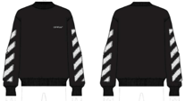 | 44MBA054G5F00B1001 | 0 | 0 | 6 | 4 | 2 | 0 | 12 | € 650.00 | € 250.00
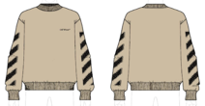 | 44MBA054G5F00B6110 | 4 | 7 | 25 | 23 | 15 | 2 | 76 | € 650.00 | € 250.00
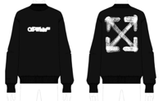 | 44MBA054G5F00C1001 | 5 | 8 | 33 | 32 | 22 | 3 | 103 | € 695.00 | € 267.31
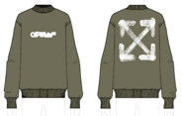 | 44MBA054G5F00C5601 | 2 | 1 | 12 | 7 | 4 | 2 | 28 | € 695.00 | € 267.31
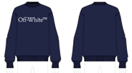 | 44MBA054G5F00E4901 | 3 | 3 | 14 | 12 | 8 | 1 | 41 | € 595.00 | € 228.85
 | 44MBA054G5F00F0510 | 7 | 13 | 42 | 40 | 27 | 6 | 135 | € 495.00 | € 190.38
 | 44MBA054G5F00F1001 | 3 | 4 | 12 | 10 | 11 | 4 | 44 | € 495.00 | € 190.38
 | 44MBA054G5F00F4901 | 6 | 8 | 27 | 25 | 19 | 6 | 91 | € 495.00 | € 190.38
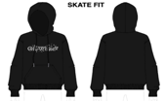 | 44MBB085G5F0021001 | 2 | 2 | 9 | 7 | 5 | 0 | 25 | € 595.00 | € 228.85
STYLE REF WHITE W/ BLACK | 44MBB085G5F0040110 | 11 | 19 | 59 | 57 | 38 | 9 | 193 | € 695.00 | € 267.31
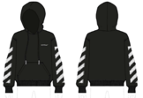 | 44MBB085G5F0041001 | 6 | 9 | 40 | 39 | 28 | 4 | 126 | € 695.00 | € 267.31
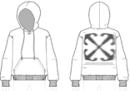 | 44MBB085G5F0070110 | 3 | 5 | 22 | 21 | 14 | 3 | 68 | € 695.00 | € 267.31
 | 44MBB085G5F0081010 | 5 | 7 | 27 | 26 | 18 | 3 | 86 | € 695.00 | € 267.31
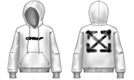 | 44MBB085G5F00B0110 | 4 | 11 | 40 | 38 | 25 | 4 | 122 | € 695.00 | € 267.31
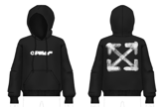 | 44MBB085G5F00B1001 | 3 | 6 | 27 | 26 | 18 | 3 | 83 | € 695.00 | € 267.31
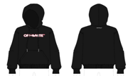 | 44MBB085G5F00D1001 | 6 | 11 | 31 | 29 | 19 | 4 | 100 | € 595.00 | € 228.85
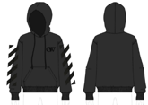 | 44MBB085G5F00F1010 | 7 | 14 | 45 | 44 | 29 | 6 | 145 | € 695.00 | € 267.31
STYLE REF STONE W/ BLACK | 44MBB085G5F00G0510 | 6 | 11 | 33 | 31 | 21 | 4 | 106 | € 595.00 | € 228.85
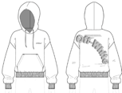 | 44MBB085G5F00K0110 | 6 | 9 | 30 | 28 | 19 | 4 | 96 | € 695.00 | € 267.31
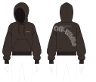 | 44MBB085G5F00K6E01 | 4 | 6 | 21 | 19 | 12 | 2 | 64 | € 695.00 | € 267.31
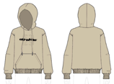 | 44MBB085G5F00L6110 | 4 | 4 | 18 | 17 | 12 | 2 | 57 | € 695.00 | € 267.31
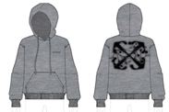 | 44MBB085G5F00O0810 | 4 | 7 | 25 | 24 | 17 | 3 | 80 | € 695.00 | € 267.31
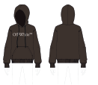 | 44MBB085G5F00Q6E01 | 1 | 1 | 7 | 4 | 6 | 2 | 21 | € 595.00 | € 228.85
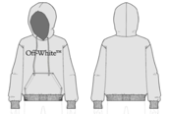 | 44MBB085G5F0OQ0510 | 3 | 5 | 32 | 29 | 17 | 6 | 92 | € 595.00 | € 228.85
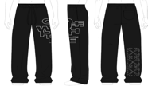 | 44MCH054G5F0021001 | 4 | 5 | 26 | 24 | 17 | 2 | 78 | € 495.00 | € 190.38
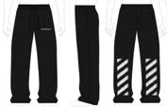 | 44MCH054G5F0081001 | 7 | 14 | 51 | 50 | 34 | 7 | 163 | € 475.00 | € 182.69
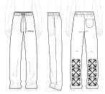 | 44MCH054G5F00A0110 | 5 | 8 | 27 | 25 | 17 | 3 | 85 | € 475.00 | € 182.69
 | 44MCH054G5F00A1001 | 2 | 4 | 28 | 24 | 14 | 4 | 76 | € 475.00 | € 182.69
 | 44MCH054G5F00A4901 | 5 | 6 | 27 | 25 | 17 | 3 | 83 | € 475.00 | € 182.69
 | 44MCH054G5F00C1001 | 4 | 6 | 24 | 23 | 16 | 3 | 76 | € 450.00 | € 173.08

